시트1
Project Name: | NextLevel Research Conference Management System
Test CaseID | T1.1
Test Case Description | Conference chair login their account
Created by: | Yechan Kim
Date of testing: | 13th October 2022
Actor: | Conference chair
Pre-condition: | Conference Chair must have an account registered.
 | Conference Chair is on the login page.

Test Step | Step Details | Test Data | Expected Results | Actual Results | Pass/Fail/Not executed/Suspended | Screenshots, if possible | Remarks
T1.1 - 1 | Conference Chair selects “Conference Chair” in the dropdownlist, key in their username & password. |  | The typed username and password should appear in the text box The user can key in their username and password | The typed username and password appears in the text box | Pass | 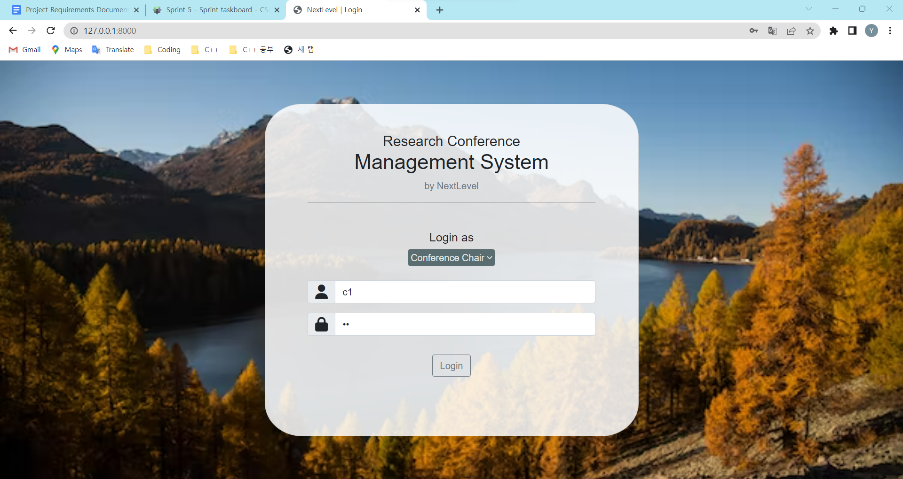
T1.1 - 2 | Conference chair clicks "Login" button | User (username, password) | System checks information and direct user to corresponding page. If the user input matches their information, system will direct user to their page. If not, system should ask user to input with error message. If success, the user should be directed to their respective role's dashboard If fail, the user should see an input message | System checks information and directs user to main page. | Pass | 